Profile Details Reference
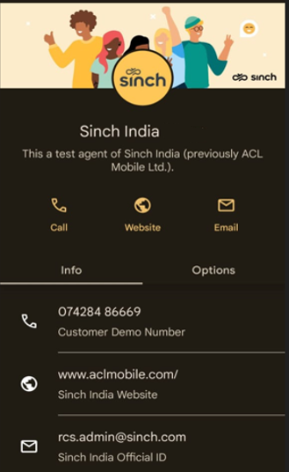
Banner

Logo

Bot name

Primary number

Primary Website

Primary E-mail ID

